CALCULATE
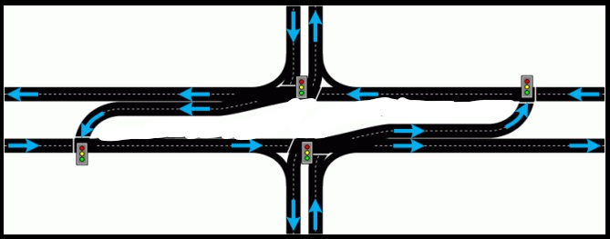

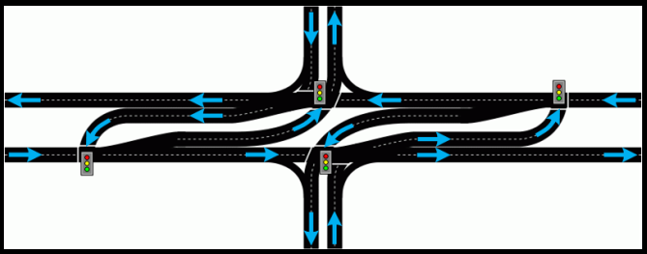
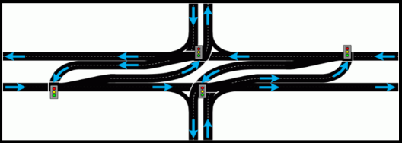
1. Press the START button & enter road names under their corresponding directions in the pop-up box. These MUST be filled.
2. Copy and paste 1 full day (24 hours) of turning movement data for ALL VEHICLES.
-The PDF from which data is copied must be in the following order: South Bound, West Bound, North Bound, East Bound. If input data is not in this order, the results will be assigned the wrong directions.
3. (OPTIONAL). Press "Mid Day Converter"
(OPTIONAL) If you want mid day peaks then...
- "OFF" is inactive, "ON" after Totals Removed applied changes to new calculate sheet. Marks as "AM PM" or "Mid Day".
4. Press CALCULATE
- Enter desired name for the new worksheet.
Clear
- Data to begin a new day or intersection with new data when finished with current and do not place old worksheet(s) next to CALCULATE worksheet. Should Not have to move them around unless you want changes to a past worksheet.
More information found on the Instructions sheet >>>>>>>>>>>>>>>>>>>>>>>>>>
1 START
3 CALCULATE
CLEAR
2 Mid Day Converter
5. Hvy. Veh. and Growth Rate changes are done to 2nd worksheet position.
- Navigate back to the worksheet titled “CALCULATE”. You will find the determined peak hours have generated in the colored cells (starting in cell AD4). Copy and paste the corresponding 15-minute periods of data for HVY TRUCKS. Press the Hvy. Veh. button. Heavy vehicle percentages and peak hour factors (PHFs) will appear in the previously generated worksheet.
6. Press Growth Rate Button, Input desired rate.
-The sheet labeled "CALCULATE" contains a green precentage cell, AU1, for change of growth rate. Pressing the button and clicking 'Okay' will replace data range. Both clicking the button and changing the cell have the same exact effect.
- Projected volumes for 10 and 20 years will appear in the previously generated worksheet. As mentioned by the message box, edit the cells highlighted in yellow to determine projected volumes for other design horizons as needed.
7. Pedestrians changes are done to 2nd worksheet position.
- Pedestrian volumes will appear in the previously generated worksheet. The first section represents the number of pedestrians in the previously determined peak hours. The second section represents the hours with the highest volume of pedestrians, regardless of vehicle peak hour.
8. R-CUTS: Press PHOTOS or Orange buttons if desired R-Cut type both with and without lefts to minor approaches.
Hvy. Veh.
Pedestrians
R-Cut
W/ Lefts
R-Cut No Left Turns
R-Cut No Left Turns
R-Cut W/ Lefts
GROWTH RATE
Lightning
 OFF |  |  |  |  |  | East-To-West |  |  | North-To-South |  |  |  |  |  |  |  |  | 1%
 | Time | Interval |  |  |  | S |  |  |  |  | W |  |  |  |  | N |  |  |  |  | E
 | Start | AM/PM/Mid | RIGHT | THRU | LEFT | PED/U-TURN | APP. TOTAL | RIGHT | THRU | LEFT | PED/U-TURN | APP. TOTAL | RIGHT | THRU | LEFT | PED/U-TURN | APP. TOTAL | RIGHT | THRU | LEFT | PED/U-TURN | APP.TOTAL | INT. TOTAL

INSTRUCTIONS
